_INSTRUCTIONS_
Instructions for Weekly Placement-Returns-Inventory Reconciliation Tracker

Overview

The purpose of the Placement-Returns-Inventory Reconciliation Tracker is to ensure reconciliation between HealthQuest and the vendor systems, and the problems identified through the reconciliation processes are resolved properly and timely. On a weekly basis, each vendor receives a placement file, an inventory file of all accounts in their inventory based on HealthQuest, and can provide a returns file (if applicable for the week); on Mondays, the vendor is responsible for emailing Vendor Management Manager acknowledgement reports, providing a summary of the placement file, return file, as well as the discrepancies of vendor inventory between vendor system and HealthQuest. The Vendor Manager is responsible for identifying the discrepanies in placement file, return file and current vendor inventory between vendor system (based on vendor acknowledgement reports) and HealthQuest (based on COOL reports).
On the 1st of every month, the Vendor Management Manager is responsible for distributing the portion of the ATB that each vendor is responsible for to the vendor contact. The vendor will provide the status update for each account on the vendor ATB before the 15th of every month. The Vendor Management Manager will review the vendor ATB with account statuses provided by the vendor, in order to ensure the vendor is actively working all the accounts that have been assigned to the vendor, based on the ATB.

Weekly Process Details

a. | On Mondays, the Vendor Management Manager runs and cleans up the following reports out of COOL in order to track placements and returns, according to HealthQuest, and store the reports on the Collections II Vendor Management Shared Drive (W:).
1) | KMH510 - Early Out Placement Details
2) | KMH006B1- Accounts Returned Successfully by Early Out Agency
3) | KMH006B2 - Early Out Return File Exception
3) | KMH519 - OFC Weekly Placement Summary Report
4) | KMH019 - Accounts Returned by Bad Debt Agency

This folder is for storing cleaned up KMH510 and KMH418 reports

This folder is for storing cleaned up KMH006B1, KMH006B2, and KMH019 reports

d. | The Vendor Management Manager will create pivot table summary of the raw data based on these COOL reports, and copy the pivot tables in to the Data Tabs (Data Tab_Placements, Data Tab_ Returns Processed, Data Tab_Returns Rejected, Data Tab_Recon) within the Weekly Placements - Returns - Reconciliation Tracker.
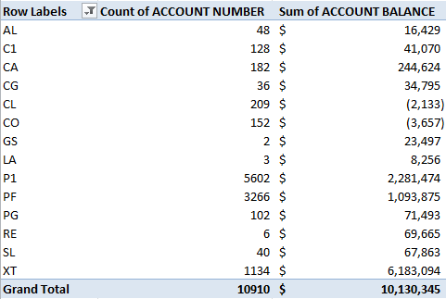
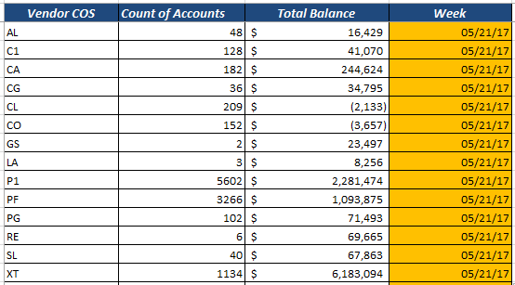

Copy and paste directly from the pivot summary of the COOL reports
Indicate the week of placement/ returns/reconciliation by recording the Sunday during the previous weekend

e. | After all the Data Tabs are completed (Data Tab_Placements, Data Tab_Returns Processed, Data Tab_Returns Rejected, Data Tab_Recon), the corresponding fields for the reporting week on the Overall Summary tab will automatically populate.

These rows will automatically populate once the raw data for the specific week is populate on the corresponding raw Data Tab

a. | After every weekend placement and returns process, the vendor is responsible for emailing the following Acknowledgement Reports (separate Excel workbook provided to vendor contacts) on Mondays to the Vendor Management Manager. After receiving these Acknowledge Reports, the Vendor Management Manager should store them by week within the Acknowledgement Reports folder on the Shared Drive (W:).
1) | Placement Acknowledgement Report - this is to ensure that all accounts that HealthQuest placed with the vendor during the weekend placement process are received by the vendor.
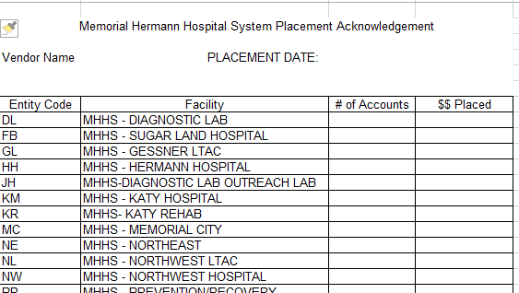

2) | Returns Acknowledgement Report - this is to ensure that all accounts that the vendor returned to MH during the weekend returns process are received by HealthQuest.
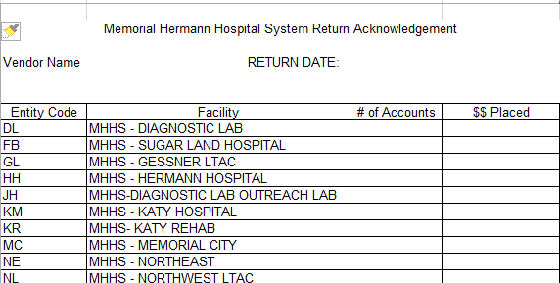

3) | Reconciliation Acknowledgement Report - this is to reconcile vendor inventory based on HealthQuest with vendor inventory based on vendor system.

b. | After receiving these Acknowledgement Reports from vendors, the Vendor Management Manager will review these Acknowledgement Reports, and store them in the Acknowledgement Report folder under the Collections II Vendor Management folder on the Shared Drive (W:).
 | \

1) | If an Acknowledgement Report is not received from the vendor before Tuesday, Vendor Management will escalate to Vendor leadership team and Director of Vendor Management.
 | If the Acknowledgement Report is not received for the week from a vendor, note "Ack. Not Received" on the Overall Summary tracker

f. | Afterwards, the Vendor Management Manager will populate the Vendor Acknowledgement fields, based on the Acknowledgement Reports.

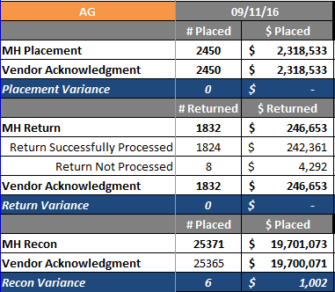
Populate with data provided by the vendor Placement Acknowledgement Report

Populate with data provided by the vendor Returns Acknowledgement Report

Populate with data provided by the vendor Inventory Recon Acknowledgement Report

g. | If there are any variances in placement, returns, or vendor inventory reconciliation, the Vendor Management Manager is responsible for reviewing and resolving the discrepancies, and documenting the resolution updates on the Issue Resolution Log.

The difference between MH placement and vendor placement acknowledgement will automatically calculate

The difference between MH returns and vendor returns acknowledgement will automatically calculate
Record on the Variance Resolution Tab:
- Week: which week (Sunday's date) the variance is from
- Type of Variance: Placement, Returns, or Inventory Recon
- Variance Resolution Updates: action steps/escalation steps taken by Vendor Management team to resolve the variance

The difference between MH inventory reconciliation and vendor reconciliation acknowledgement will automatically calculate

Monthly Process Details
a. | On the 1st of every month, the Vendor Management Manager produces the vendor specific ATB (based on COS) file, based on the Master Detail ATB. They are emailed emailed to the vendor contact respectively.
b. | Before the 15th of the same month, the vendor contact is responsible for providing an update for every account within the vendor specific ATB and indicate:
 | 1) Current status/Progress made on the account
 | 2) Which accounts are no longer in vendor inventory based on vendor system
 | 3) Which accounts are still in vendor inventory based on vendor system, but are not listed on the vendor specific ATB
c. | The Vendor Management Manager will aggregate the vendor specific ATB under the "Monthly Inventory Reconciliation Details" folder on the shared drive.

d. | The Vendor Management Manager is responsible for resolving any discrepancies of vendor inventory, reported by the vendor, as well as reviewing the account status update provided by the vendor to identify any performance issues.
 | 1) The result of monthly reconciliation should be documented on the Overall Summary tab. If an ATB is not provided by the vendor before 15th of the month, document "Montly Recon Not Received".

 | 2) If there is discrepancies/issues identified from the monthly reconciliation process, actions taken to resolve the discrepancies/issues should be recorded on the Variance Resolution Log.

